DID Combined
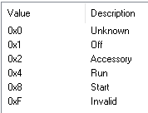
DID | Origin | Type | Size(Byte) | Name | 0x01 | 0x02 | 0x03 | 0x60 | Comment
0x1505 | AHU | UN | 2 | Vehicle Speed - High Resolution | R |  | R | R | 从CAN读取(CAN信号Timeout时保持之前的旧值或者初始值，0x202) | ok
0x411F | AHU | SED | 1 | Key Position | R |  | R | R | 从CAN读取(0x3B2 BodyInfo_HS3) | ok
0xC006 | AHU | UN | 2 | VIN Missing counter | R |  | R | R | VIN丢失的计数（一个Sleep周期内） | ok
0xD100 | AHU | SED | 1 | Active Diagnostic Session | R | R | R | R | 当前Active Diagnostic Session | ok
0xD111 | AHU | UN | 1 | ECU Power Supply Voltage | R |  | R | R | 输入电压 | ok
0xF15F | AHU | PKT | 10 | NOS Generation Tool Version Number | R |  | R | R | 工具版本（第一个byte固定填08，第二byte起ASCII填入 22.07.22，Autosar CBD版本） | ok
0xF162 | AHU | SED | 1 | Software Download Specification Version |  | R |  | R | 固定为“0x07” | ok
0xF163 | AHU | SED | 1 | Diagnostic Specification Version | R |  | R | R | 固定为“0x05” | ok
0xF166 | AHU | PKT | 4 | NOS Message Database #1 Version Number | R |  | R | R | HS3 dbc 版本号 dbc已包含 | ok
0xF190 | AHU | ASC | 24 | Vehicle Identification Number | R |  | R | R | 从CAN读取VIN码，报文读取前17bytes，后面全部补0 | ok
0xF40C | AHU | UN | 2 | Engine RPM | R |  | R | R | 从CAN读取，信号“EngAout_N_Actl” | ok
0xF411 | AHU | UN | 1 | Absolute Throttle Position | R |  | R | R | 从CAN读取,节气门位置(0x204 ApedPos_Pc_ActlArb) | ok
0xFD06 | AHU | HEX | 1 | EOL status of Desay supplier production line | R |  | R | RW* | 用于指示Desay产线出厂状态（0x00 EOL ON; 0x01 EOL OFF） | ok
0x0202 | AHU | UN | 1 | Number of Trouble Codes Set due to Diagnostic Test | R |  | R | R | RID0202自检过程中出现的DTC个数 | ok
0x419E | Sync | SED | 1 | Embedded Consumer Application Download Status | R |  | R | R | OTA包的安装状态 | T-ok
0x8047 | Sync | UN | 1 | Bezel Diagnostics Status | R |  | RC | RC | 读取/控制进入工程模式，HMI控制示意图请参考右侧附件。 | ok
0x804A | Sync | SED | 1 | APIM Internal Fault | R |  | R | R | 读取ROM/RAM/EEPROM/IPC状态 （IPC Link down指的是跟SOC的通信） | ok
0x804B | Sync | BM | 4 | ECU CCPU Fault | R |  | R | R | 读取SOC模块是否出现错误，比如BT，USB，Flash，Wifi是否出错 | ok
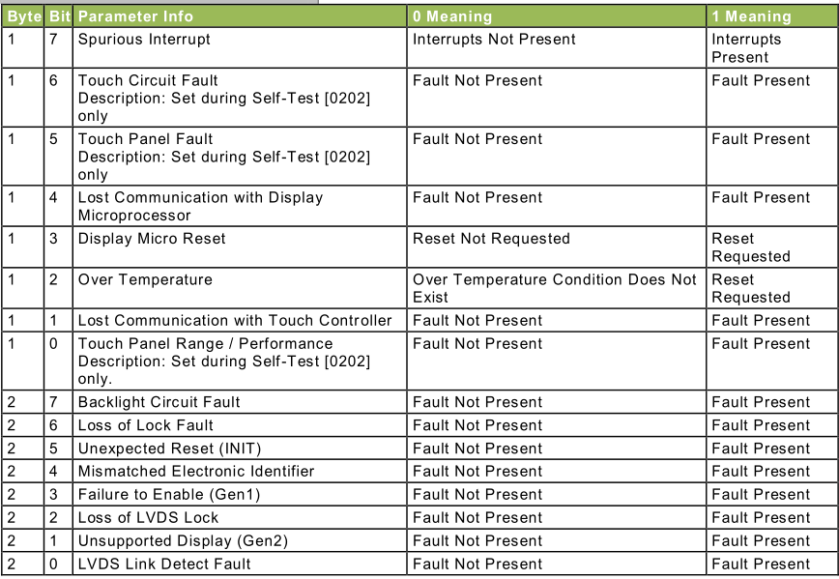
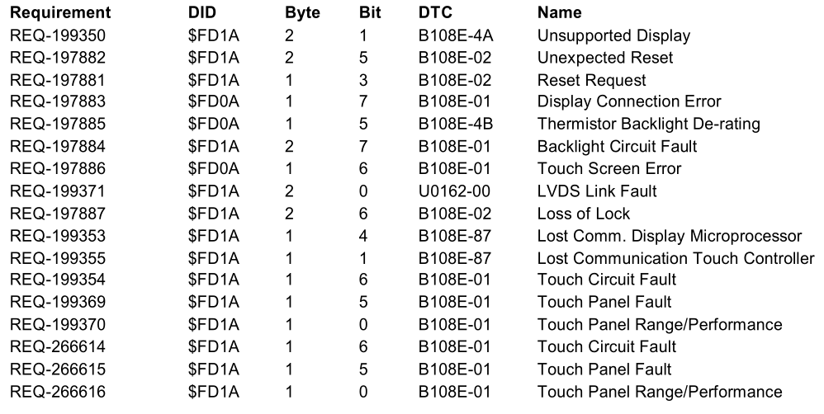
0xFD1A | Sync | BM | 3 | Display Parameters | R |  | R | R | 用于display errors判定，置DTC。通过LVDS获取；屏幕是Ford供应商提供 | T-ok
0xF1D0 | Sync | HEX | 6 | ECU MAC Address 1 | R |  | R | R | BT MAC 地址 | ok
0xF1D1 | Sync | HEX | 6 | ECU MAC Address 2 | R |  | R | R | Wifi MAC 地址 | ok
0xF1E1 | Sync | HEX | 6 | ECU MAC Address 3 | R |  | R | R | Ethernet MAC 地址 | ok
0x61A1 | AHU | UN | 1 | Channel Frequency | R |  | RC | RC | 现在/last source FM的频率 | ok
0x8321 | AHU | UN | 2 | Antenna Current 1 | R |  | R | R | 天线1电流 | ok
0x8304 | AHU | UN | 1 | Radio Frequency Field Strength | R |  | R | R | 收音机信号强度 | ok
0xEE21 | AHU | UN | 1 | AM Seek/Stop Sensitivity | R |  | RC | RC | AM锁台灵敏度，控制configbit DE06 byte2 | ok
0xEE22 | AHU | UN | 1 | FM Seek/Stop Sensitivity | R |  | RC | RC | FM锁台灵敏度，控制configbit DE05 byte16 | ok
0xFD20 | AHU | HEX | 1 | Averaged Signal Strength Measured in AM/FM Antenna Test | R |  | R | R | Range 0 to 255, Units dBuV, Size 1 Byte, Resolution 1 – Value is 0dBuV if test has never been ran. Value is stored until battery has been pulled or test overwrites with new value. 信号强度是从routine里面获得的. | 待测试
0x8003 | AHU | BM | 4 | Speaker Status | R |  | RC | RC | 用于mute/unmute已配置的喇叭
0xFD03 | AHU | HEX | 1 | Normal Speaker Walkaround Volume | R |  | RW | RW | 测试喇叭音量值-Refer to RoutineID 0x6009，音量值使用step | 如何调节音量？
0x8055 | AHU | UN | 2 | Automobile Audio Bus (A2B) Master Error Counter | R |  | R | R |  | 空接口
0x833B | AHU | UN | 1 | Audio Volume Level | R |  | RC | RC | 获取娱乐音源（tuner、USB、BT）的音量，直接回复实际音量 | 如何调节音量？
0x7215 | AHU | SED | 1 | ECU Status | R |  | RC | RC | 控制Audio是否使用CAN signal HMIAudioMode | 空接口
0xEE00 | AHU | PKT | 3 | ANC/ESE Error Status | R |  | R | R | Electrical Sound Enhancement SPSS V1.2 Oct 27, 2017.pdf | Audio需要看spec
0xEE01 | AHU | PKT | 6 | ESE Last Received Data | R |  | R | R | Electrical Sound Enhancement SPSS V1.2 Oct 27, 2017.pdf | Audio需要看spec
0xEE02 | AHU | PKT | 53 | ANC and/or ESE Profile Data | R |  | RW* | RW* | Electrical Sound Enhancement SPSS V1.2 Oct 27, 2017.pdf | Audio需要看spec
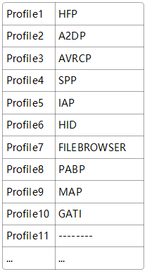
0xEE03 | AHU | SED | 1 | ESE Activation Status | R |  | RW* | RW* | Electrical Sound Enhancement SPSS V1.2 Oct 27, 2017.pdf | Audio需要看spec
0x8004 | Sync | ASC | 128 | Supported Bluetooth Profiles | R |  | R | R | Desay自定义HTP,A2DP……格式 | ok
0x8023 | Sync | ASC | 128 | Active Bluetooth Profiles | R |  | R | R | 当前Active Bluetooth Profiles，Desay自定义格式 | ok（没连BT测试）
0x8024 | Sync | SED | 1 | Bluetooth Status | R |  | R | R | 当前BT状态 | 没连接BT返回0A
0xFD1C | AHU | HEX | 1 | Digital RVC Power Control | R |  | R | R | 用于指示数字RVC是否使能Power Control | 无硬件，待测试
0xFD1B | AHU | HEX | 1 | RVC Digital Faults | R |  | R | R | 用于指示数字RVC故障的类型 | 无硬件，待测试
0xD021 | TCU | SED | 1 | Authorization State | R |  | R | R | Ford cloud:FIN确认暂时做0x38~0x3B,cdd定义的其他状态先不做处理，因为会存在模块共存的状态 | desay已做好，待百度做完
0xD076 | TCU | PKT | 1 | Authorization State2 | R |  | R | R | Baidu cloud参考“baidu Auth” sheet（ID后续可能会改）MDX检查冲突 | desay已做好，待Ford云
0xFD12 | Sync | ASC | 50 | Firmware Version | R |  | R | R | periheriial provisioning required（具体含义） | 全部写0
0xFD15 | Sync | ASC | 50 | Firmware Version 2 | R |  | R | R | periheriial provisioning required（具体含义） | 全部写0
0xFD26 | Sync | ASC | 17 | Wi-Fi Mac Address | R |  | R | R | periheriial provisioning required (0xF1D1 也有定义wifi MAC地址? FIN待澄清) | 全部写0
0xEEE2 | Sync | PKT | 64 | Token Removal Reason | R |  | R | R | 具体参数内容请参考右侧附件(FIN确认使用64bytes格式)（确认具体模块及含义） | 全部写0
0xEEFE | Sync | ASC | 24 | APIM VMCU Recover Partition Image | R |  | R | R | periheriial provisioning required（确认具体模块及含义） | 全部写0
0xEEFF | Sync | ASC | 24 | APIM CCPU Recover Partition Image | R |  | R | R | Retrieve APIM CCPU Recover Partition Image from CCPU.（确认具体模块及含义） Note: Since communication with the CCPU is required to obtain the response, this DID should not be part of a multi-PID (Service $22) request. If communication is not possible (see DID 804A "APIM Internal Fault" to verify that the IPC link is up) or if the IPC request to the CCPU does not indicate success, the VMCU will return Negative-Response-Code $22 (Conditions-Not-Correct). | 全部写0
0xD03D | Sync | ASC | 40 | Security Package ID（Ford） | R |  | R | R | periheriial provisioning required | ok | yanghui确认Ford才有
0xFD21 | AHU | ASC | 1846 | Baidu security certificate1 | R |  | R | RW* | 百度安全证书 | T-ok
0xFD22 | AHU | ASC | 1846 | Baidu security certificate2 | R |  | R | RW* | 百度安全证书 | T-ok
0xFD23 | AHU | ASC | 1846 | Baidu security certificate3 | R |  | R | RW* | 百度安全证书（dummy） | ok
0xFD24 | AHU | ASC | 1846 | Baidu security certificate4 | R |  | R | RW* | 百度安全证书（dummy） | ok
0xFD01 | Sync | ASC | 40 | VMCU Software Version | R |  | R | R | 内部版本号，内部的MCU软件版本，自己定义即可。 | ok
0xFD02 | AHU | ASC | 10 | Supplier ECU AHU Hardware Number | R |  | R | R | 内部版本号，内部的MCU硬件版本，自己定义即可。 | T-ok: 产线还未写入，暂时写0000000001
0xFD04 | AHU | ASC | 40 | Supplier CCPU AHU Software Number | R |  | R | R | 内部版本号，Soc软件版本。 | ok
0xFD05 | AHU | ASC | 10 | Supplier ECU Display Software Number | R |  | R | R | 内部版本号，显示屏软件版本。（FIN确认直接从Display获取，不需要自己定义） | ok
0xFD10 | Sync | HEX | 5 | Config Bits code condition | R |  | R | R | 用于识别ConfigBit配置值是否正常 | Desay Use
0xF111 | AHU | ASC | 24 | ECU Core Assembly Number | R | R | R | RW* | HW PN, 硬件PN, 产线生产时写入 | ok
0xF113 | AHU | ASC | 24 | ECU Delivery Assembly Number | R | R | R | RW* | Assemly PN, 整机PN, 产线生产时写入 | ok
0xF188 | AHU | ASC | 24 | Vehicle Manufacturer ECU Software Number | R |  | R | R | VMCU软件PN | ok
0xD027 | AHU | ASC | 24 | Embedded Consumer Boot Software Part Number 2 | R |  | R | R | VMCU软件PN，暂定与F188值一致 | ok
0x8033 | Sync | ASC | 24 | Embedded Consumer Operating System Part Number | R |  | R | R | SOC软件零件号 | ok
0x8068 | Sync | ASC | 24 | Embedded Consumer Boot System Part Number | R |  | R | R | SOC boot软件零件号，如果boot和软件做成一个就用上面的零件号（gaowei确认做成了一个） | ok
0xF10A | AHU | ASC | 24 | ECU Cal-Config Part Number | R |  | R | R | Acoustic（EQ） Tuning PN，标定文件PN | ok
0xF16B | AHU | ASC | 24 | ECU Cal-Config #2 Part Number | R |  | R | R | Illumination PN，灯光标定PN | ok
0xF16C | AHU | ASC | 24 | ECU Cal-Config #3 Part Number | R |  | R | R | Sound Enhancement (ESE) PN， ANC/ESE PN | ok
0xF110 | AHU | ASC | 24 | Subsystem Specific Diagnostic Specification Part Number | R |  | R | R | Part II PN,诊断Spec PN(DSMB6T-18D668-AA007) | ok
0xF180 | AHU | PKT | 25 | Boot Software Identification | R | R | R | R | Primary Bootloader PN，MCU FBL PN。 FIN确认"1+24"需要多1个字节区分“number of modules ”,number取1即可。(FIN给的PN表格F180的值都是一样的) | ok
0xF17F | Sync | ASC | 8 | Ford Electronic Serial Number | R | R | R | RW* | FNV2 IVI ESN，Ford指定的序列号；应该指的就是标签种的“ESN” | ok
0xF18C | AHU | ASC | 16 | ECU Serial Number | R | R | R | RW* | 由重庆工厂定义格式，序列号。F18C长度改为16bytes，前8bytes填充F17F。 | ok
0x8060 | Sync | PKT | 384 | Embedded Consumer Applications Part Numbers 1 | R |  | R | R | 每24Byte写一个子软件对应的PN，（ASCII，未写满用0x00填充） (0x8033)写在第1个+地图包(0x8060)写在第二个+如果有Adas地图(0x8060)包写第三个。FIN确认现在只做这3个。(gdx文件会报错) | ok
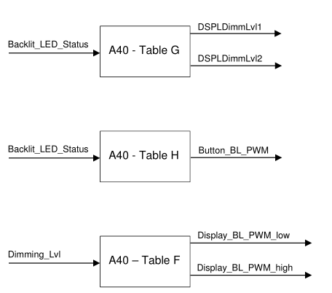
0xFDDF | Sync | PKT | 216 | CCPU Weight Factor Display SDM12L | R |  | R | RC* | DID_WeightFactorDP | ok
0xFDE0 | Sync | UN | 2 | CCP_Low_PWM_SDM12L | R |  | R | RC* | DID_Low_PWM_DisplayBL | ok
0xFDE1 | Sync | UN | 2 | CCP_High_PWM_SDM12L | R |  | R | RC* | DID_High_PWM_DisplayBL | ok
0xFDC5 | Sync | PKT | 216 | CCPU Weight Factor Display SDM13 | R |  | R | RC* |  | ok
0xFDC6 | Sync | UN | 2 | CCP_Low_PWM_SDM13 | R |  | R | RC* |  | ok
0xFDC7 | Sync | UN | 2 | CCP_High_PWM_SDM13 | R |  | R | RC* |  | ok
0xFDEA | Sync | PKT | 216 | CCPU Weight Factor Display SDM15_5 | R |  | R | RC* |  | ok
0xFDEB | Sync | UN | 2 | CCP_Low_PWM_SDM15_5 | R |  | R | RC* |  | ok
0xFDEC | Sync | UN | 2 | CCP_High_PWM_SDM15_5 | R |  | R | RC* |  | ok
0xFDC8 | Sync | PKT | 216 | CCPU Weight Factor Display SDM27 | R |  | R | RC* |  | ok
0xFDC9 | Sync | UN | 2 | CCP_Low_PWM_SDM27 | R |  | R | RC* |  | ok
0xFDCA | Sync | UN | 2 | CCP_High_PWM_SDM27 | R |  | R | RC* |  | ok
0xFDB0 | Sync | HEX | 1 | VMCU_Low_PWM_RotaryBL | R |  | R | RC* | DID_Low_PWM_RotoryBL | ok
0xFDB1 | Sync | HEX | 1 | VMCU_High_PWM_RotaryBL | R |  | R | RC* | DID_High_PWM_RotoryBL | ok
0xFDB2 | Sync | HEX | 1 | VMCU_Low_PWM_ButtonB | R |  | R | RC* | DID_Low_PWM_ButtonBL | ok
0xFDB3 | Sync | HEX | 1 | VMCU_High_PWM_ButtonB | R |  | R | RC* | DID_High_PWM_ButtonBL | ok
0xFDB5 | Sync | PKT | 144 | VMCU_WeightFactorBL | R |  | R | RC* | DID_WeightFactorBL | ok
0xFDBA | Sync | HEX | 1 | CCP_Low_PWM_DisplayButtonBL | R |  | R | RC* | DID_Low_PWM_DisplayButtonBL | ok
0xFDBB | Sync | HEX | 1 | CCP_High_PWM_DisplayButtonBL | R |  | R | RC* | DID_High_PWM_DisplayButtonBL | ok
0xFDBE | Sync | PKT | 144 | CCPU Weight Factor Backlight | R |  | R | RC* | DID_WeightFactorBL | ok
0xFD11 | Sync | ASC | 19 | Desay Internal Serial Number | R |  | R | R | 用于读取IVI唯一标识码 | Desay Use
0xFD13 | Sync | HEX | 1 | Desay Internal Hardware Type | R |  | R | R | 用于区分多款硬件的标识(参考20200614_CD542CX727BUU625ICACD764_Configuration.xlsx) | Desay Use
0xFE60 | Sync | HEX | 2 | ANC Audio signals mute control |  |  | C | C | Audio ANC setting

注意： | R：指的是读取(Read)；
 | RW：指的是可读可写；
 | RC：指的是Read Control(诊断2Fhex服务)，注意不是Routine control!
 | * = The functionality indicated by the preceding letter is locked by security access. Security已经在vector代码包包含了。

 | UN： | 单位
 | PKT：
 | HEX： | 十六进制
 | ASC： | ASSICC
 | SED： | 十进制
 | BM： | bitmapped

DTC Matrix
 |  | DTC(Hex) | TextID | Error Text | Failure Type | Extend DTC Description | DTC Type | Pass / Fail Criteria | Notes
 |  | 0xF00316 | U3003-16 | Battery Voltage | Circuit Voltage Below Threshold |  | CD |  | ok
 |  | 0xF00317 | U3003-17 | Battery Voltage | Circuit Voltage Above Threshold |  | CD
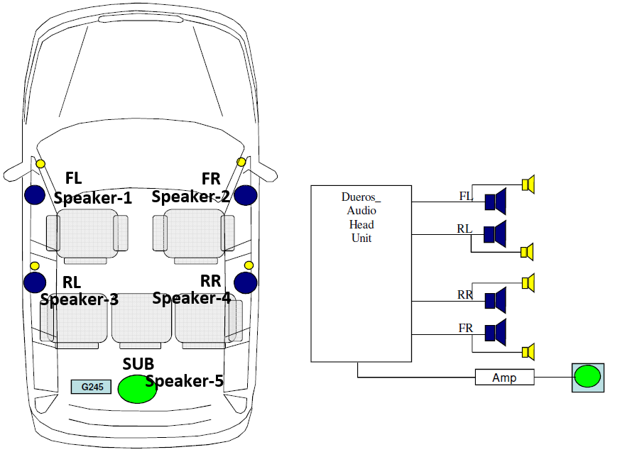
 | CH2 | 0x9A0111 | B1A01-11 | Speaker #1 | Circuit Short To Ground | Speaker FrontRight | CD |  | ok
 |  | 0x9A0112 | B1A01-12 | Speaker #1 | Circuit Short To Battery | Speaker FrontRight | CD |  | DTC标记的speaker1~4和右边车子图片不对应
 |  | 0x9A0113 | B1A01-13 | Speaker #1 | Circuit Open | Speaker FrontRight | D
 |  | 0x9A0101 | B1A01-01 | Speaker #1 | Circuit short | Speaker FrontRight | D
 | CH4 | 0x9A0211 | B1A02-11 | Speaker #2 | Circuit Short To Ground | Speaker FrontLeft | CD
 |  | 0x9A0212 | B1A02-12 | Speaker #2 | Circuit Short To Battery | Speaker FrontLeft | CD
 |  | 0x9A0213 | B1A02-13 | Speaker #2 | Circuit Open | Speaker FrontLeft | D
 |  | 0x9A0201 | B1A02-01 | Speaker #2 | Circuit short | Speaker FrontLeft | D
 | CH1 | 0x9A0311 | B1A03-11 | Speaker #3 | Circuit Short To Ground | Speaker RearRight | CD
 |  | 0x9A0312 | B1A03-12 | Speaker #3 | Circuit Short To Battery | Speaker RearRight | CD
 |  | 0x9A0313 | B1A03-13 | Speaker #3 | Circuit Open | Speaker RearRight | D
 |  | 0x9A0301 | B1A03-01 | Speaker #3 | Circuit short | Speaker RearRight | D
 | CH3 | 0x9A0411 | B1A04-11 | Speaker #4 | Circuit Short To Ground | Speaker RearLeft | CD
 |  | 0x9A0412 | B1A04-12 | Speaker #4 | Circuit Short To Battery | Speaker RearLeft | CD
 |  | 0x9A0413 | B1A04-13 | Speaker #4 | Circuit Open | Speaker RearLeft | D
 |  | 0x9A0401 | B1A04-01 | Speaker #4 | Circuit short | Speaker RearLeft | D
 | CH2 | 0x9A0713 | B1A07-13 | Speaker #7 | Circuit Open | Speaker FrontRight Tweeter | D
 | CH4 | 0x9A0813 | B1A08-13 | Speaker #8 | Circuit Open | Speaker FrontLeft Tweeter | D
 | CH1 | 0x9A0913 | B1A09-13 | Speaker #9 | Circuit Open | Speaker RearRight Tweeter | D
 | CH3 | 0x9A1013 | B1A10-13 | Speaker #10 | Circuit Open | Speaker RearLeft Tweeter | D
 |  | 0x951111 | B1511-11 | Automobile Audio Bus (A2B) Master Node | Circuit Short To Ground | A2B Bus Short Across | C |  | ok
 |  | 0x951112 | B1511-12 | Automobile Audio Bus (A2B) Master Node | Circuit Short To Battery |  | C
 |  | 0x951113 | B1511-13 | Automobile Audio Bus (A2B) Master Node | Circuit Open |  | CD
 |  | 0x951101 | B1511-01 | Automobile Audio Bus (A2B) Master Node | Circuit short |  | CD
 |  | 0xE01B54 | U201B-54 | Lost Communication Between Fuel Pump Control Module "A" and Restraints Control Module | ESE/ANC is missing configuration file or file is corrupted. | Control Module Calibration Data #2 | C |  |  | 依赖audio Ford接受delay
 |  | 0xE01B57 | U201B-57 | Lost Communication Between Fuel Pump Control Module "A" and Restraints Control Module | The installed ESE/ANC configuration is not compatible with config | Control Module Calibration Data #2 | C |  |  | 依赖audio Ford接受delay
 |  | 0xE01B04 | U201B-04 | Lost Communication Between Fuel Pump Control Module "A" and Restraints Control Module | Internal fault detected which prevents initializing ESE/ANC | Control Module Calibration Data #2 | C |  |  | 依赖audio Ford接受delay
 |  | 0x9D7911 | B1D79-11 | Microphone Input | Circuit Short To Ground | Microphone1 Input | D |  | 所有车子都会配置，不需要考虑configbits | Mic-Driver：主驾驶位麦克风，用于接收声音和语音通话；
 |  | 0x9D7915 | B1D79-15 | Microphone Input | Circuit Short To Battery or Open | Microphone1 Input | D |  |  | Mic-Passenger：副驾驶位麦克风，用于接收声音；
 |  | 0x940011 | B1400-11 | Microphone 4 | Circuit Short To Ground | Microphone2 Input | D |  | 所有车子都会配置，不需要考虑configbits | Mic-ANC：顺序分别位1，2，3，安装在发动机附件，主要用于降噪；
 |  | 0x940015 | B1400-15 | Microphone 4 | Circuit Short To Battery or Open | Microphone2 Input | D |  |  | 确认5个MIC与DTC number的对应关系！
 |  | 0x916A01 | B116A-01 | Backup Microphone | Circuit Short To Ground | ANC Microphone 1 | CD
 |  | 0x916A15 | B116A-15 | Backup Microphone | Circuit Short To Battery or Open | ANC Microphone 1 | CD
 |  | 0x917A01 | B117A-01 | ANC Microphone 2 | Circuit Short To Ground | ANC Microphone 2 | CD
 |  | 0x917A15 | B117A-15 | ANC Microphone 2 | Circuit Short To Battery or Open | ANC Microphone 2 | CD
 |  | 0x93F501 | B13F5-01 | Microphone 3 | Circuit Short To Ground | ANC Microphone 3 | CD
 |  | 0x93F515 | B13F5-15 | Microphone 3 | Circuit Short To Battery or Open | ANC Microphone 3 | CD
 |  | 0x92BD12 | B12BD-12 | Rear Camera | Circuit Short to Battery | Rear camera Video Signal | CD | FAIL: When RVC+ or RVC- pin short to battery for greater than five(5) seconds | ok | CD542才有这个功能
 |  | 0x92BD02 | B12BD-02 | Rear Camera | General Signal Failure | Rear camera Video Signal | CD | FAIL: When RVC+ or RVC- pin short to Gnd or Open load for greater than five(5) seconds. | ok
 | 764 | 0x500101 | C1001-01 | Vision System Camera | General Electrical Failure | HD RVC Camera | CD | Set when RVC has an FPD Link Detect Fault or General Electrical Failure for 5 seconds when vehicle is in Reverse. | 只有CD764车型需要，后续新硬件需要支持 | DCV2.1 | FIN确认661的HD Camera可以用来调试
 | 764 | 0x500102 | C1001-02 | Vision System Camera | General Signal Failure | HD RVC Camera | C | Set when RVC has an Unexpected Reset or Reset Request for 5 seconds when vehicle is in Reverse. | ok, IIC读取。检测是否有信号lock住； | DCV2.1
 | 764 | 0x50011C | C1001-1C | Vision System Camera | Circuit Voltage Out of Range | HD RVC Camera | C | Set when nine volt power (to Digital RVC) has been below 9V for 500ms. | 只有CD764车型需要，后续新硬件需要支持 | DCV2.1
 | 764 | 0x50014B | C1001-4B | Vision System Camera | Over Temperature | HD RVC Camera | C | Set when RVC has an Over-temperature condition for 5 seconds when vehicle is in Reverse | 需要Ford摄像头确认，也是IIC读取； | DCV2.1
 | 764 | 0x500155 | C1001-55 | Vision System Camera | Not Configured | HD RVC Camera | C | Set when RVC hasn’t received configuration for 5 seconds when vehicle is in Reverse. | MCU做，待确认如何配置（以前是通过CAN配置ADAS盒子） | DCV2.1
 | 764 | 0x500181 | C1001-81 | Vision System Camera | Invalid Serial Data Received | HD RVC Camera | C | Set when Digital RVC or 360 has a loss of lock for 5 seconds when vehicle is in Reverse | ok, IIC读取package error | DCV2.1
 | 764 | 0x500187 | C1001-87 | Vision System Camera | Missing Message | HD RVC Camera | CD | Set when Digital RVC has lost IIC communication for 500 miliseconds when vehicle is in Reverse | ok, IIC读写数据错误 | DCV2.1
 |  | 0x820001 | B1200-01 | Camera "A" | General Electrical Failure | Face Camera | C | Fail: When MCU detects General Electrical Failure more then 5s. | DTC做成跟0xC56500一致
 |  | 0x915D15 | B115D-13 | Camera LED | Circuit Short To Battery or Open | Face Camera | C |  | 需要确认FR Camera的工作条件来判断检测
 | 542High | 0x915D09 | B115D-09 | Camera LED | Component Failure | Face Camera | C | Fail: When face camera LED malfunction | 需要Ford摄像头确认
 |  | 0x82004B | B1200-4B | Camera "A" | Over Temperature | Face Camera | C | Fail: When MCU detects Over Temperature more then 5s. | ok, IIC读取
 |  | 0x820002 | B1200-02 | Camera "A" | General Signal Failure | Face Camera | C | Fail: When MCU detects General signal failure more then 5s. | ok, IIC读取。检测是否有信号lock住；
 |  | 0xC56500 | U0565-00 | Lost communication with CRM-DSMC | No Sub Type Information | Face Camera | C | Set when camera communication data is missing for five seconds. | ok, IIC读写数据错误
 |  | 0x820101 | B1201-01 | Camera "B" | General Electrical Failure | AR Camera | CD | Fail: When dectect General Electrical Failure more then 5s.
 |  | 0x820102 | B1201-02 | Camera "B" | General Signal Failure | AR Camera | C | Fail: When dectect General Signal Failure more then 5s. | ok, IIC读取
 |  | 0x82011C | B1201-1C | Camera "B" | Circuit Voltage Out of Range | AR Camera | C | Fail: When dectect Circuit Voltage Out of Range more then 5s.
 | 542High | 0x82014B | B1201-4B | Camera "B" | Over Temperature | AR Camera | C | Fail: When dectect Over Temperature more then 5s. | ok, IIC读取
 |  | 0x820181 | B1201-81 | Camera "B" | Invalid Serial Data Received | AR Camera | C | Fail: When dectect Invalid Serial Data Received more then 5s. | ok, IIC读取package error
 |  | 0x820187 | B1201-87 | Camera "B" | Missing Message | AR Camera | CD | Fail: When dectect Missing Message more then 5s. | ok, IIC读写数据错误
 |  | 0x958921 | B1589-21 | Antenna #3 | Signal Amplitude < Minimum | FM1/AM Antenna | D
 |  | 0x958911 | B1589-11 | Antenna #3 | Circuit Short To Ground | FM1/AM Antenna | C
 |  | 0x958915 | B1589-15 | Antenna #3 | Circuit Short To Battery or Open | FM1/AM Antenna | C
 |  | 0x958919 | B1589-19 | Antenna #3 | Circuit Current above threshold | FM1/AM Antenna | C
 |  | 0x919F11 | B119F-11 | GPS antenna | Circuit Short To Ground |  | C
 |  | 0x919F15 | B119F-15 | GPS antenna | Circuit Short To Battery or Open |  | C
 |  | 0x919F19 | B119F-19 | GPS antenna | Circuit Current above threshold |  | C
 |  | 0x908E01 | B108E-01 | Display | General Electrical Failure |  | C |  | 1. 因为TI芯片无法支持区分electric，所以新增“General Electrical Failure”替代0x908E11和0x908E13； 2. 当接的是27寸高配时，GMSL连接Deasy屏幕和一路FPDLINK连接仪表，FPDLINK这一路只检测DTC 0x908E01，不检测Display其他DTC（由仪表屏幕自己负责）； | IC检测通信线
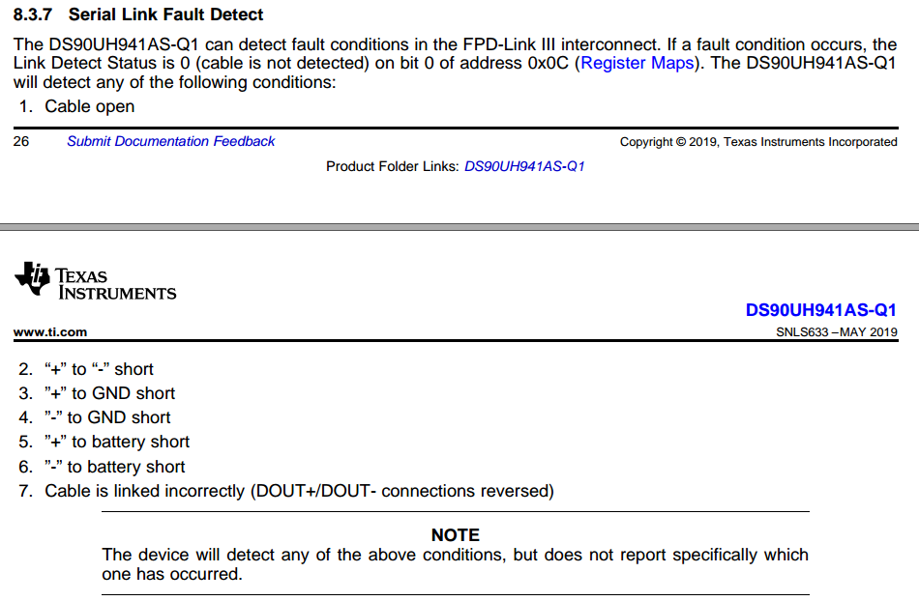
 |  | 0x908E87 | B108E-87 | Display | Missing Message | Lost Display Communication With LCD Panel Module via FPDLINK | C | Fail:Communication with Display microprocessor is lost for greater than five (5) seconds. | IC检测跟屏幕MCU通信
 |  | 0x908E02 | B108E-02 | Display | General Signal Failure | General Signal Failure | C | Fail: When dispaly unit report general error. | IC lock住屏幕（连接正常，但是无法lock住）
 |  | 0x908E4A | B108E-4A | Display | Incorrect Component Installed | Incorrect Component Installed | C | Fail: Display size mismatch with DE00.Display variants value. | IIC读取屏幕尺寸，跟configbit配置对比兼容性(目前SOC还没使用MCU configbits)
 |  | 0x908E4B | B108E-4B | Display | Over Temperature | Over Temperature | C | Fail: The display unit report over temperature fault. | IIC读取屏幕寄存器
 |  | 0xC16200 | U0162-00 | Lost Communication With Navigation Display Module | No Sub Type Information |  | CD | 暂定做成和Missing Message一样，display2也共用这个DTC Number | IIC读取屏幕寄存器
屏幕通信线缺少电阻，暂无法测试 | 542High | 0x969111 | B1691-11 | Display2 | Circuit Short To Ground |  | C |  | HDMI使用MAX96751GTN可以读取所有类别的Electric错误，IC检测
屏幕通信线缺少电阻，暂无法测试 | 542High | 0x969113 | B1691-13 | Display2 | Circuit Open |  | C
 |  | 0x969187 | B1691-87 | Display2 | Missing Message | Lost Display Communication With LCD Panel Module via GMSL | C
 |  | 0x969102 | B1691-02 | Display2 | General Signal Failure | General Signal Failure | C
 |  | 0x96914A | B1691-4A | Display2 | Incorrect Component Installed | Incorrect Component Installed | C
 |  | 0x96914B | B1691-4B | Display2 | Over Temperature | Over Temperature | C
 |  | 0x94FD01 | B14FD-01 | External Media Control Connectivity | General Electrical Failure |  | C |  | MCM供电
 |  | 0x925202 | B1252-01 | USB Port | General Signal Failure | USB1 port Lost Communication Error | C |  | SOC通过判断是否有枚举到MCM内的HUB判断通讯状态
 |  | 0xE10000 | U2100-00 | Initial Configuration Not Complete | No Sub Type Information |  | CD |  | 根据DEOO参数Vehicle Nameplate ID或Connectivity为0x00，则激活DTC
 |  | 0xE10100 | U2101-00 | Control Module Configuration Incompatible | No Sub Type Information |  | CD | 先等ConfigBit梳理完，再看这个DTC | 先参考上一个项目查不兼容，然后FIN还追加了配置，具体看批注
 |  | 0x908701 | B1087-01 | LIN Bus "A" | General Electrical Failure | Lost Communication With ICP(LIN) | CD |  | LIN通信丢失
 |  | 0xF00043 | U3000-43 | Control Module | Special Memory Failure |  | C | 以太网错误，指的是SOC kemgr存储块没有读取到key的情况下报错。需要结合provising需求理解一下。 | Set when keymgr is unable to read a key from encrypted storage on the /dps partition. SOC从加密区读取不到KEY
 |  | 0xF00088 | U3000-88 | Control Module | Bus off |  | C |  | FIN确认是和SOC通信异常
 |  | 0xF00004 | U3000-04 | Control Module | System Internal Failure |  | C |  | 参考DID 804A与804B
 |  | 0xF00009 | U3000-09 | Control Module | Component Failure |  | C |  | 惯导内部故障或通信丢失，SOC陀螺仪不工作超过5S，再确认是否可以（zhu hua）
 |  | 0xF00041 | U3000-41 | Control Module | General Checksum Failure |  | CD |  | ROM/FLASH/EEPROM写不成功或读出来计算的checksum错误
 |  | 0x956D54 | B156D-54 | TCU Customer Connectivity Settings Synchronization With HMI | Missing Calibration |  | C |  | CCS估计DCV2.1还会有问题
 |  | 0x956D89 | B156D-89 | TCU Customer Connectivity Settings Synchronization With HMI | Data Transfer Failure |  | C
 |  | 0xE40081 | U2400-81 | Ethernet Failure With Gateway Module A (GWM) | Invalid Serial Data Received |  | C
 |  | 0xE40092 | U2400-92 | Ethernet Failure With Gateway Module A (GWM) | Performance or Incorrect Operation |  | C
ok | 0x225正常 | 0xC15500 | U0155-00 | Lost Communication With Instrument Panel Cluster (IPC) Control Module | No Sub Type Information |  | C |  | 对应的msg参考之前的FIN spec
ok | 0x28B周期是0 | 0xC19800 | U0198-00 | Lost Communication With Telematic Control Module "A" | No Sub Type Information |  | C
ok | 0x3F6正常 | 0xC20C00 | U020C-00 | Lost Communication with Wireless Accessory Charging Module "A" | No Sub Type Information |  | C |  | 根据WACM配置判断
 | 0x3A6周期为0 | 0xC23200 | U0232-00 | Lost Communication With Side Obstacle Detection Control Module "A" | No Sub Type Information |  | C |  | 根据配置判断
 | 0x3A7周期为0 | 0xC23300 | U0233-00 | Lost Communication With Side Obstacle Detection Control Module "B" | No Sub Type Information |  | C |  | 根据配置判断
 | 0x3EE周期为0 | 0xC23B00 | U023B-00 | Lost Communication With Image Processing Module B | No Sub Type Information |  | C |  | 360 TVM, 通过CAN判断
 | 0x274正常,"MC Seat"已经定义到DE01 | 0xC20900 | U0209-00 | Lost Communication With "Seat Control Module B" | No Sub Type Information |  | C |  | 主驾电动调节座椅
 | 0x44E只要没收到报文就置DTC，周期为0也可以 | 0xC12155 | U0121-55 | Lost Communication With Anti-Lock Brake System (ABS) Control Module "A" | Not Configured |  | C |  | 防碰撞系统
ok | 0x2A1周期为0 | 0xC21200 | U0212-00 | Lost Communication With Steering Column Control Module | No Sub Type Information |  | C |  | 方向盘线控，通过CAN判断
ok | 0x281正常 | 0xC21400 | U0214-00 | Lost Communication With Remote Function Actuation Module | No Sub Type Information |  | C |  | BLEM(手机钥匙）
 | 0x365周期为0 | 0xC29300 | U0293-00 | Lost Communication With Hybrid/EV Powertrain Control Module | No Sub Type Information |  | C
 | 0x202周期是0，0x38A正常 | 0xC10000 | U0100-00 | Lost Communication With ECM/PCM "A" | No Sub Type Information |  | C
 | 0x34A和0x34C周期都为0 | 0xC24B00 | U024B-00 | Lost Communication with Seat Control Module "G" | No Sub Type Information |  | C |  | 主驾按摩座椅
 | 0x34B和0x34D周期都为0 | 0xC24C00 | U024C-00 | Lost Communication with Seat Control Module "H" | No Sub Type Information |  | C |  | 副驾按摩座椅
ok | 0x3E1周期为0，0x276不被接收，取DE07“CRM-DSMC”? | 0xC20800 | U0208-00 | Lost Communication With "Seat Control Module A" | No Sub Type Information |  | C | If (Enhanced Memory (DID DE04 Byte-4, Bit-7) != "Disabled" (0)) AND (DSM (DID DE07,byte-4, Bit-7)= "Present" (1)) set when message 0x3E1 is missing for five seconds. | 主驾电动调节座椅 276,3E1 DID DE07,byte-4, Bit-7: FIN已标注不支持
 | 0x216/0x420周期为0，0x27A正常 | 0xC12100 | U0121-00 | Lost Communication With Anti-Lock Brake System (ABS) Control Module "A" | No Sub Type Information |  | C |  | 防碰撞系统
 | 0x3AA和0x3AB周期为0，0x3A8正常 | 0xC15900 | U0159-00 | Lost Communication With Parking Assist Control Module "A" | No Sub Type Information |  | C
 | 0x2A0正常，0x360和0x361周期都为0 | 0xC25600 | U0256-00 | Lost Communication With Front Controls Interface Module "A" | No Sub Type Information |  | C |  | 林肯按键面板
ok | 0x4A/0x27A正常，0x208不被节点接收，FIN确认Special Considerations删除，不再需要 | 0xC15100 | U0151-00 | Lost Communication With Restraints Control Module | No Sub Type Information |  | C |  | 车辆事故报警
ok | 0x221,0x224，0x228周期正常，有一个异常就激活DTC | 0xC23800 | U0238-00 | Lost Communication With Digital Audio Control Module "D" | No Sub Type Information |  | C |  | A2B外部功放，通过CAN判断
ok''' | 0x3E3/3B2/331/40A/38D/3BA/3C3周期是0，0x32A正常 | 0xC14000 | U0140-00 | Lost Communication With Body Control Module | No Sub Type Information |  | C | If Ambient-Lighting (DID DE01, Byte-3, Bit-7) !=0: set when message ICAN:0x3E3 is missing for five seconds. Set when message ICAN:0x3B2 is missing for five seconds. Set when message ICAN:0x331 is missing for five seconds. Set when message ICAN:0x40A is missing for five seconds. If Keypad/PAAK (DID DE04, Byte-7, Bit-7) = 2 or 3: set when message ICAN:0x38D is missing for five seconds. If 360 Lighting (DID DE01, Byte-4, Bit-7) != 0: set when message 0x3BA or 0x3C3 is missing for greater than five (5) seconds. set when the signals "ExtLght_D_Falt_UB", "ExtLghtAlrt_B_Rq_UB", "ExtLghtFront_D_Stat_UB", and "ExtLghtRear_D_Stat_UB" have not changed for five seconds. If 360 Lighting (DID DE01, Byte-4, Bit-7) != 0: set when message 0x32A is missing for greater than five (5) seconds. set when the signal "ExtLghtDsply_B_StatArb" is missing for five seconds. If 3360 Lighting (DID DE01, Byte-4, Bit-7) = 2 set when the signals "ExtLghtLeft_D_Stat_UB" and "ExtLghtRight_D_Stat_UB" have not changed for five seconds. | "360 Lighting"不需要支持
ok | 0x3B2/0x3BA周期为0 | 0xC42200 | U0422-00 | Invalid Data Received From Body Control Module | No Sub Type Information |  | C
ok | 0x216/0x3F1/0x27A | 0xC41500 | U0415-00 | Invalid Data Received from Anti-Lock Brake System (ABS) Control Module "A" | No Sub Type Information |  | C | 1) Trigger if _WheelData (0x216) signals (WhlDirFl_D_Actl and WhlDirFr_D_Actl and WhlDir_Rl_D_Actl and WhlDir_Rr_D_Actl) = Failed(0x03) for more than five seconds. 2) If "Auto Hold" (DID DE08,Byte6 Bit2) = "Enabled" (1): { Trigger if APIM_Send_Signals1 (0x3F1) signal "AutoHoldSwtch_D_Stat3" equals "Not Used" (2) or "Faulty" (3) for 5 seconds. Trigger if APIM_Send_Signals1 (0x3F1) signal "AutoHoldSwtch_D_Stat3" transitions from "Not Pressed" (0)","Not Used" (2), or "Faulty" (3) to "Pressed" (1) and GWM_Send_Signals_7 (0x27A) signal "AutoHoldSwMde_B_Ind" state does not change within 5 seconds of "AutoHoldSwtch_D_Stat3" transition. } 3) If "Selectable Drive Mode" (DID DE06 Byte-3, Bit-3) ="Enabled" (1): { CCPU Sets when receiving Not Used states for Drive Mode for greater than five seconds from the ABS or no HMI mode assigned to requested Drive Mode. --->0x420 SelectDriveModeData_HS3.SelDrvMde_D_Stat }
ok |  | 0xC41594 | U0415-94 | Invalid Data Received from Anti-Lock Brake System (ABS) Control Module "A" | Unexpected Operation |  | C |  | 参考Selectable Drive Mode SPSS需求
ok | 0x04A | 0xC45200 | U0452-00 | Invalid Data Received From Restraints Control Module | No Sub Type Information |  | C |  | "ECALL is enabled by download"：FIN确认默认enable

ReadDTCInformation Sub-Functions

 |  |  |  |  | 支持19 06 XX XX XX FF/02/10

GroupOfDTC Parameters

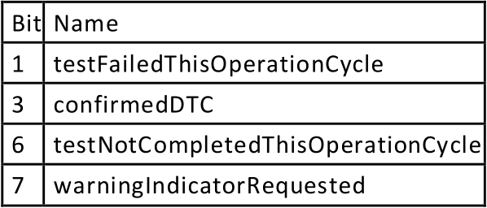
Supported DTC Status Bits

Supported Extended Data Records

 |  |  |  | 如下报文发送收不到indication：
 |  |  |  | 0x274 | 看到会设置event |  | OK,设置UpdataBit即可
 |  |  |  | 0x202 | 有event设置 | Can_Msg_EngVehicleSpThrottle2_HS3_Rx_Null
 |  |  |  | 0x38A | 有event设置 | Can_Msg_Body_Info_1_HS3_Rx_EventPeriodic_1000ms | OK,设置UpdataBit即可
 |  |  |  | 0x27A | 看到会设置event |  | OK,设置UpdataBit即可
 |  |  |  | 0x3A8 | 没有设置event |  | OK,CAN runnable也加了
 |  |  |  | 0x208 | 不需要 |  | OK
 |  |  |  | 0x3B2 | 没查到有地方处理 |  | OK,CAN runnable也加了
 |  |  |  | 0x331 | 没有设置event |  | OK,CAN runnable也加了

Baidu Auth status Mgmt
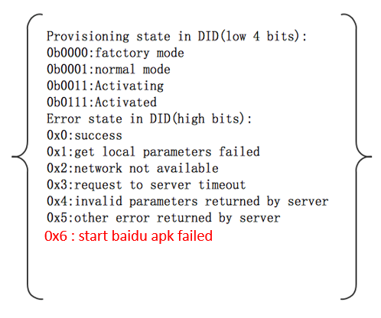
Value | Status(High 4 bits) | Supplier Mode(Low 4 bits) | Provisioning State Description
0x01 | Success | Normal Mode | DuerOS starts to connect with internet
0x11 | Get local parameters failed | Normal Mode | AHU internal defect
0x21 | Network not available | Normal Mode | Network not available
0x31 | Request to server timeout | Normal Mode | Baidu cloud related incidents occurred
0x41 | Invalid parameters returned by server | Normal Mode | Baidu cloud related incidents occurred
0x51 | Other error returned by server | Normal Mode | Baidu cloud related incidents occurred
0x61 | Start baidu apk failed | Normal Mode | AHU internal defect
0x03 | Success | Activating | DuerOS is provisioning
0x13 | Get local parameters failed | Activating | AHU internal defect
0x23 | Network not available | Activating | Network not available
0x33 | Request to server timeout | Activating | Baidu cloud related incidents occurred
0x43 | Invalid parameters returned by server | Activating | Baidu cloud related incidents occurred
0x53 | Other error returned by server | Activating | Baidu cloud related incidents occurred
0x63 | Start baidu apk failed | Activating | AHU internal defect
0x07 | Success | Activated | DuerOS provisioned successfully
0x17 | Get local parameters failed | Activated | AHU internal defect
0x27 | Network not available | Activated | Network not available
0x37 | Request to server timeout | Activated | Baidu cloud related incidents occurred
0x47 | Invalid parameters returned by server | Activated | Baidu cloud related incidents occurred
0x57 | Other error returned by server | Activated | Baidu cloud related incidents occurred
0x67 | Start baidu apk failed | Activated | AHU internal defect

